Navigator
More Options

General Information | Statements
Filing Information | DBS12_Section-A - Return on Connected Exposure
 | DBS12_Section-B - Return on Connected Exposure
 | DBS12_Section-C - Return on Connected Exposure
 | DBS12_Section-D - Return on Connected Exposure
 | Authorised Signatory

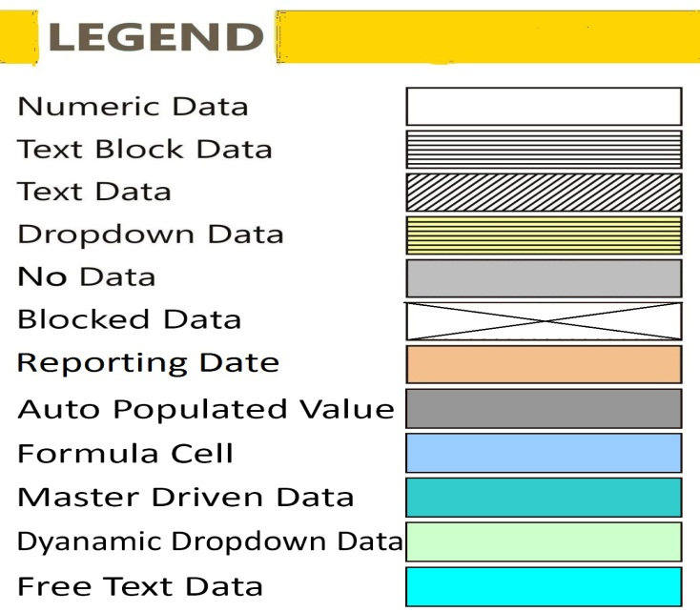

FilingInfo
Filing Information
 | Filing Information

#CustPlc# |  | #TABLE# | #LAYOUTECSR#
Filing Information
 | Information

Return Name
Return Code
Name of reporting institution
Bank Code
Institution Type
Reporting frequency
Reporting start date
Reporting end date
Reporting currency
Reporting scale
Taxonomy version
Tool name
Tool version
Report status
Date of Audit
General remarks

 |  |  | #LAYOUTECER#

#CustPlc# |  | #TABLE# | #LAYOUTECSR#
Scoping Question

Whether Bank Submitting The Return is a Foreign Bank

 |  |  | #LAYOUTECER#

DBS12_Section-A
DBS12_Section-A - Return on Connected Exposure
 | DBS12_Section-A - Return on Connected Exposure

Monetary items present in this return are to be reported ₹ in Lakhs

Note: If user select "Not Applicable" in the column "Name of Entity", please insert "Zero" for columns containing numerical values and for other columns insert "Not Applicable".

Section A: List of all Group Entities (Group companies / Associates / Business Partners / Subsidiaries)
Name of Entity | Area of Operation (India / Overseas) | Type of Entity | Financial Classification
 |  | X010 | X020

 |  |  |  | #LAYOUTECER#

DBS12_Section-B
DBS12_Section-B - Return on Connected Exposure
 | DBS12_Section-B - Return on Connected Exposure

Monetary items present in this return are to be reported ₹ in Lakhs

Note: If user select "Not Applicable" in the column "Name of group companies / associates / business partners / subsidiaries", please insert "Zero" for columns containing numerical values and for other columns insert "Not Applicable".

Section B- Exposure to group companies / associates / business partners / Subsidiaries
Name of group companies / associates / business partners / subsidiaries | Area of Operations (Domestic / Overseas) | Type of Entity | Financial Classification | Amount of bank's Equity Investment in the company | % of bank holding in its equity | Funded Amount Outstanding | Fund Based Credit Exposure (A) | Non-funded Amount Outstanding | Non-Fund Based Exposure (B) | Investment Exposure ( C ) | Exempted Exposure (D) | Total Amount Outstanding | Total Exposure ( E) = (A) + (B) + ( C) - (D) | Asset Classification | Provisions held, if any | Of total Outstanding unsecured | Reasons for breach of Stipulated Prudential Limits, if any | Description of Intra-Group Support Arrangements/ Agreements, if any
 |  | X010 | X020 | X030 | X040 | X050 | X060 | X070 | X080 | X090 | X100 | X110 | X120 | X130 | X140 | X150 | X160 | X170

 |  |  |  |  |  |  |  |  |  |  |  |  | 0.00

 |  |  |  |  |  |  |  |  |  |  |  |  |  |  |  |  |  |  | #LAYOUTECER#

DBS12_Section-C
DBS12_Section-C - Return on Connected Exposure
 | DBS12_Section-C - Return on Connected Exposure

Monetary items present in this return are to be reported ₹ in Lakhs

Note: If user select "Not Applicable" in the column "Name of assisted shareholder or share holder interested enterprise", please insert "Zero" for columns containing numerical values and for other columns insert "Not Applicable".

Section C- Credits/ Exposure to significant shareholders and/or their "Interests/Related Firms"
Sr. No. | Name of assisted shareholder or share holder interested enterprise | Nature of interest | Type of exposure/s | Amount/s of exposure/s | Terms of credit /exposure | Value of securities / collateral | Asset classification (a) | provision held if any (b)
 |  | X010 | X020 | X030 | X040 | X050 | X060 | X070

1

 |  |  |  |  |  |  |  |  | #LAYOUTECER#

DBS12_Section-D
DBS12_Section-D - Return on Connected Exposure
 | DBS12_Section-D - Return on Connected Exposure

Monetary items present in this return are to be reported ₹ in Lakhs

Note: If user select "Not Applicable" in the column "Name of assisted Director / Manager or enterprise of their interest", please insert "Zero" for columns containing numerical values and for other columns insert "Not Applicable".

Section D- Credits/Exposures to Directors, Managers, and their interested Enterprises
Part A Directors and Managers
Sr. No. | Name of assisted Director / Manager or enterprise of their interest | Type of bank's exposure/s | Amount of bank's exposure/s | Terms of Credit/Exposure | Value of securities/collateral | Asset classification (a) | Provision if any held (b)
 |  | X010 | X020 | X030 | X040 | X050 | X060

1

 |  |  |  |  |  |  |  |  | #LAYOUTECER#

Part B Their Interested enterprises
Sr. No. | Name of assisted Director / Manager or enterprise of their interest | Name of interested director or Manager | Nature of interest | Type of bank's exposure/s | Amount of bank's exposure/s | Terms of credit | Value of securities / collateral | Asset classification (a) | Provision if any held (b)
 |  |  | X070 | X080 | X090 | X100 | X110 | X120 | X130

1

 |  |  |  |  |  |  |  |  |  | #LAYOUTECER#

DBS_AuthorisedSignatory
Authorised Signatory
 | Authorised Signatory

Table 1: Authorised Signatory
Particulars |  | Value
 |  | X010

Name of Authorised Signatory | Y010
Designation | Y020
Contact Number (with STD Code) | Y030
Contact No. (Mobile/Cell) | Y040
Email Id | Y050
Remarks (Optional) | Y060

 |  |  | #LAYOUTECER#

