Navigator
More Options

General Information | Statements
Filing Information | DBS_LEF_A_20LE_Standalone - Eligible Capital Base
 | DBS_LEF_B_SpecExp_Standalone - Bank's exposure with values equal to or above 10% of Tier 1 Capital
 | DBS_LEF_C_OthExp_Standalone - Bank's other exposures (measured without effect of CRM) with values equal to or above 10% of Tier 1 capital (not including exposures reported in B)
 | DBS_LEF_D_ExempExp_Standalone - Bank's exempted exposures with values equal to or above 10% of Tier 1 Capital
 | DBS_LEF_A_20LE_Consolidated - Bank's 20 Largest Exposures to counterparties (single as well as group of connected counterparties) irrespective of their values relative to bank's eligible capital base
 | DBS_LEF_B_SpecExp_Consolidated - Bank's exposure with values equal to or above 10% of Tier 1 Capital
 | DBS_LEF_C_OthExp_Consolidated - Bank's other exposures (measured without effect of CRM) with values equal to or above 10% of Tier 1 capital (not including exposures reported in B)
 | DBS_LEF_D_ExempExp_Consolidated - Bank's exempted exposures with values equal to or above 10% of Tier 1 Capital
 | Authorised Signatory
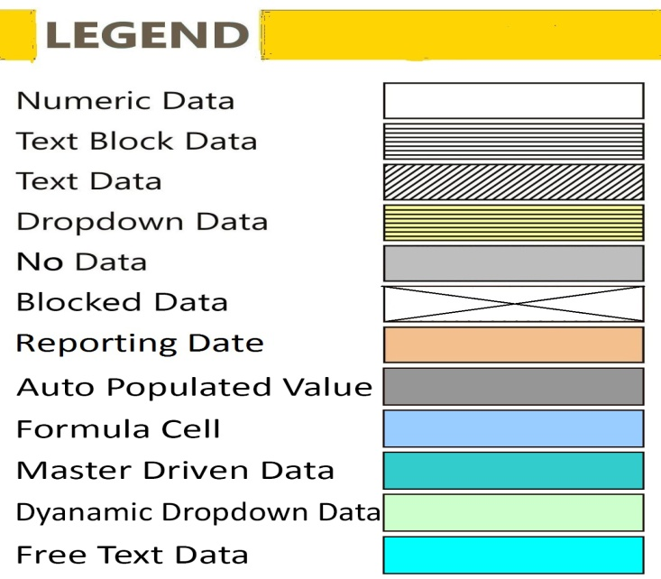

FilingInfo
Filing Information
 | Filing Information

Filing Information
 | Information

Return Name
Return Code
Name of reporting institution
Bank Code
Institution Type
Reporting frequency
Reporting start date
Reporting end date
Reporting currency
Reporting scale
Taxonomy version
Tool name
Tool version
Report status
Date of Audit
General remarks

 |  | #LAYOUTECER#

Scoping Question
 | X010

Whether Bank Has Subsidiaries | Yes

 |  | #LAYOUTECER#

DBS_LEF_A_20LE_Standalone
DBS_LEF_A_20LE_Standalone - Eligible Capital Base
 | DBS_LEF_A_20LE_Standalone - Eligible Capital Base

Monetary items present in this return are to be reported Rs. in Lakhs

Table 1 - Eligible Capital Base
Description |  | Amount
 |  | X010

Eligible Capital Base (Tier 1) | Y010

 |  |  |  | #LAYOUTECER#

Table 2 - A. Bank's 20 Largest Exposures to counterparties (single as well as group of connected counterparties) irrespective of their values relative to bank's eligible capital base
Whether Single(S) OR Group(G) of connected Counterparties | PAN or Group ID of Counterparties | Name of the Counterparty | Exposure Amount | Exposure as % of Tier 1 Capital
 |  |  | X020 | X030

 |  |  |  |  | #LAYOUTECER#

DBS_LEF_B_SpecExp_Standalone
DBS_LEF_B_SpecExp_Standalone - Bank's exposure with values equal to or above 10% of Tier 1 Capital
 | DBS_LEF_B_SpecExp_Standalone - Bank's exposure with values equal to or above 10% of Tier 1 Capital

Monetary items present in this return are to be reported Rs. in Lakhs

Table 3 - B. Bank's exposure with values equal to or above 10% of Tier 1 Capital
Whether Single(S) OR Group(G) of connected Counterparties | PAN or Group ID of Counterparties | Name of the Counterparty | Exposure Amount | Exposure as % of Tier 1 Capital
 |  |  | X010 | X020

 |  |  |  |  | #LAYOUTECER#

DBS_LEF_C_OthExp_Standalone
DBS_LEF_C_OthExp_Standalone - Bank's other exposures (measured without effect of CRM) with values equal to or above 10% of Tier 1 capital (not including exposures reported in B)
 | DBS_LEF_C_OthExp_Standalone - Bank's other exposures (measured without effect of CRM) with values equal to or above 10% of Tier 1 capital (not including exposures reported in B)

Monetary items present in this return are to be reported Rs. in Lakhs

Table 4 - C. Bank's other exposures (measured without effect of CRM) with values equal to or above 10% of Tier 1 capital (not including exposures reported in B)
Whether Single(S) OR Group(G) of connected Counterparties | PAN or Group ID of Counterparties | Name of the Counterparty | Exposure Amount | Exposure as % of Tier 1 Capital
 |  |  | X010 | X020

 |  |  |  |  | #LAYOUTECER#

DBS_LEF_D_ExempExp_Standalone
DBS_LEF_D_ExempExp_Standalone - Bank's exempted exposures with values equal to or above 10% of Tier 1 Capital
 | DBS_LEF_D_ExempExp_Standalone - Bank's exempted exposures with values equal to or above 10% of Tier 1 Capital

Monetary items present in this return are to be reported Rs. in Lakhs

Table 5 - D. Bank's exempted exposures with values equal to or above 10% of Tier 1 Capital
Whether Single(S) OR Group(G) of connected Counterparties | PAN or Group ID of Counterparties | Name of the Counterparty | Exposure Amount | Exposure as % of Tier 1 Capital
 |  |  | X010 | X020

 |  |  |  |  | #LAYOUTECER#

DBS_LEF_A_20LE_Consolidated
DBS_LEF_A_20LE_Consolidated - Bank's 20 Largest Exposures to counterparties (single as well as group of connected counterparties) irrespective of their values relative to bank's eligible capital base
 | DBS_LEF_A_20LE_Consolidated - Bank's 20 Largest Exposures to counterparties (single as well as group of connected counterparties) irrespective of their values relative to bank's eligible capital base

Monetary items present in this return are to be reported Rs. in Lakhs

Table 6 - Eligible Capital Base
Description |  | Amount
 |  | X010

Eligible Capital Base (Tier 1) | Y010

 |  |  |  | #LAYOUTECER#

Table 7 - A. Bank's 20 Largest Exposures to counterparties (single as well as group of connected counterparties) irrespective of their values relative to bank's eligible capital base
Whether Single(S) OR Group(G) of connected Counterparties | PAN or Group ID of Counterparties | Name of the Counterparty | Exposure Amount | Exposure as % of Tier 1 Capital
 |  |  | X010 | X020

 |  |  |  |  | #LAYOUTECER#

DBS_LEF_B_SpecExp_Consolidated
DBS_LEF_B_SpecExp_Consolidated - Bank's exposure with values equal to or above 10% of Tier 1 Capital
 | DBS_LEF_B_SpecExp_Consolidated - Bank's exposure with values equal to or above 10% of Tier 1 Capital

Monetary items present in this return are to be reported Rs. in Lakhs

Table 8 - B. Bank's exposure with values equal to or above 10% of Tier 1 Capital
Whether Single(S) OR Group(G) of connected Counterparties | PAN or Group ID of Counterparties | Name of the Counterparty | Exposure Amount | Exposure as % of Tier 1 Capital
 |  |  | X010 | X020

 |  |  |  |  | #LAYOUTECER#

DBS_LEF_C_OthExp_Consolidated
DBS_LEF_C_OthExp_Consolidated - Bank's other exposures (measured without effect of CRM) with values equal to or above 10% of Tier 1 capital (not including exposures reported in B)
 | DBS_LEF_C_OthExp_Consolidated - Bank's other exposures (measured without effect of CRM) with values equal to or above 10% of Tier 1 capital (not including exposures reported in B)

Monetary items present in this return are to be reported Rs. in Lakhs

Table 9 - C. Bank's other exposures (measured without effect of CRM) with values equal to or above 10% of Tier 1 capital (not including exposures reported in B)
Whether Single(S) OR Group(G) of connected Counterparties | PAN or Group ID of Counterparties | Name of the Counterparty | Exposure Amount | Exposure as % of Tier 1 Capital
 |  |  | X010 | X020

 |  |  |  |  | #LAYOUTECER#

DBS_LEF_D_ExempExp_Consolidated
DBS_LEF_D_ExempExp_Consolidated - Bank's exempted exposures with values equal to or above 10% of Tier 1 Capital
 | DBS_LEF_D_ExempExp_Consolidated - Bank's exempted exposures with values equal to or above 10% of Tier 1 Capital

Monetary items present in this return are to be reported Rs. in Lakhs

Table 10 - D. Bank's exempted exposures with values equal to or above 10% of Tier 1 Capital
Whether Single(S) OR Group(G) of connected Counterparties | PAN or Group ID of Counterparties | Name of the Counterparty | Exposure Amount | Exposure as % of Tier 1 Capital
 |  |  | X010 | X020

 |  |  |  |  | #LAYOUTECER#

DBS_AuthorisedSignatory
Authorised Signatory
 | Authorised Signatory

Authorised Signatory
Particulars |  | Value
 |  | X010

Name of Authorised Signatory | Y010
Designation | Y020
Contact Number (with STD Code) | Y030
Contact No. (Mobile/Cell) | Y040
Email Id | Y050
Remarks (Optional) | Y060

 |  |  | #LAYOUTECER#

